Sales 2016
Sales Summary 2016
 |  |  |  |  |  |  |  |  |  | OBS ¹: Supondo que minha tabela está com bordas. Retiro as bordas das duas primeiras linhas e seleciono a cor da segunda linha, depois é só clicar no pincel e arrastar essa formatação para o restante da tabela.
Acct Managers | Quarter 1 | Quarter 2 | Quarter 3 | Quarter 4 | Total 2016 | Average 2016 | Best Quarter | Worst Quarter | Total Commission |  | 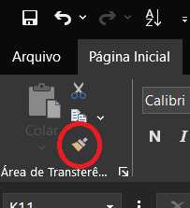
Aanya Zhang | 5187.9 | 7627.17 | 28867.26 | 742.53 | 42424.86 | 10606.215 | 28867.26 | 742.53 | 2121.243 | OBS ²: O mesmo caminho se segue para formatar diferentes abas, nesse caso, seleciono a tabela formatada > PINCEL DE FORMATAÇÃO > aba de interesse.
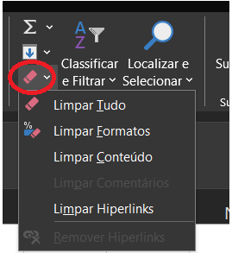
Charlie Bui | 24271.31 | 130.78 | 116.61 | 355.15 | 24873.85 | 6218.4625 | 24271.31 | 116.61 | 1243.6925 | OBS ³: Para desfazer os formatos:
Connor Betts | 854.08 | 20123.65 | 3050.18 | 4373.98 | 28401.89 | 7100.4725 | 20123.65 | 854.08 | 1420.0945
Leighton Forrest | 815.58 | 1129.69 | 327.02 | 16169.12 | 18441.41 | 4610.3525 | 16169.12 | 327.02 | 922.0705
Mihael Khan | 425.78 | 981.27 | 596.7 | 470.74 | 2474.49 | 618.6225 | 981.27 | 425.78 | 123.7245
Natasha Song | 5080.74 | 6259.31 | 4265.86 | 4956.43 | 20562.34 | 5140.585 | 6259.31 | 4265.86 | 1028.117
Nicholas Fernandes | 21787.86 | 1533.62 | 2191.42 | 2384.04 | 27896.94 | 6974.235 | 21787.86 | 1533.62 | 1394.847
Phoebe Gour | 5117.84 | 12156.6 | 351.06 | 15653.93 | 33279.43 | 8319.8575 | 15653.93 | 351.06 | 1663.9715
Preston Senome | 1326.07 | 1415.98 | 2314.11 | 2817.6 | 7873.76 | 1968.44 | 2817.6 | 1326.07 | 393.688
Radhya Staples | 0 | 3.32 | 10373.59 | 206.16 | 10583.07 | 2645.7675 | 10373.59 | 0 | 529.1535
Samantha Chairs | 2233.62 | 2005.7 | 1542.68 | 4921.92 | 10703.92 | 2675.98 | 4921.92 | 1542.68 | 535.196
Stevie Bacata | 0 | 91.1 | 0 | 0 | 91.1 | 22.775 | 91.1 | 0 | 4.555
Tina Carlton | 17247.36 | 2512.24 | 7003.82 | 2952.73 | 29716.15 | 7429.0375 | 17247.36 | 2512.24 | 1485.8075
Yvette Biti | 2252.16 | 1476.92 | 3293.39 | 7731.78 | 14754.25 | 3688.5625 | 7731.78 | 1476.92 | 737.7125
Total | 86600.3 | 57447.35 | 64293.7 | 63736.11 | 272077.46 | 68019.365 | 86600.3 | 57447.35 | 13603.873

Commission Rate: | 0.05
Date Sheet Last Updated: | 3-Mar-17

